Example Background
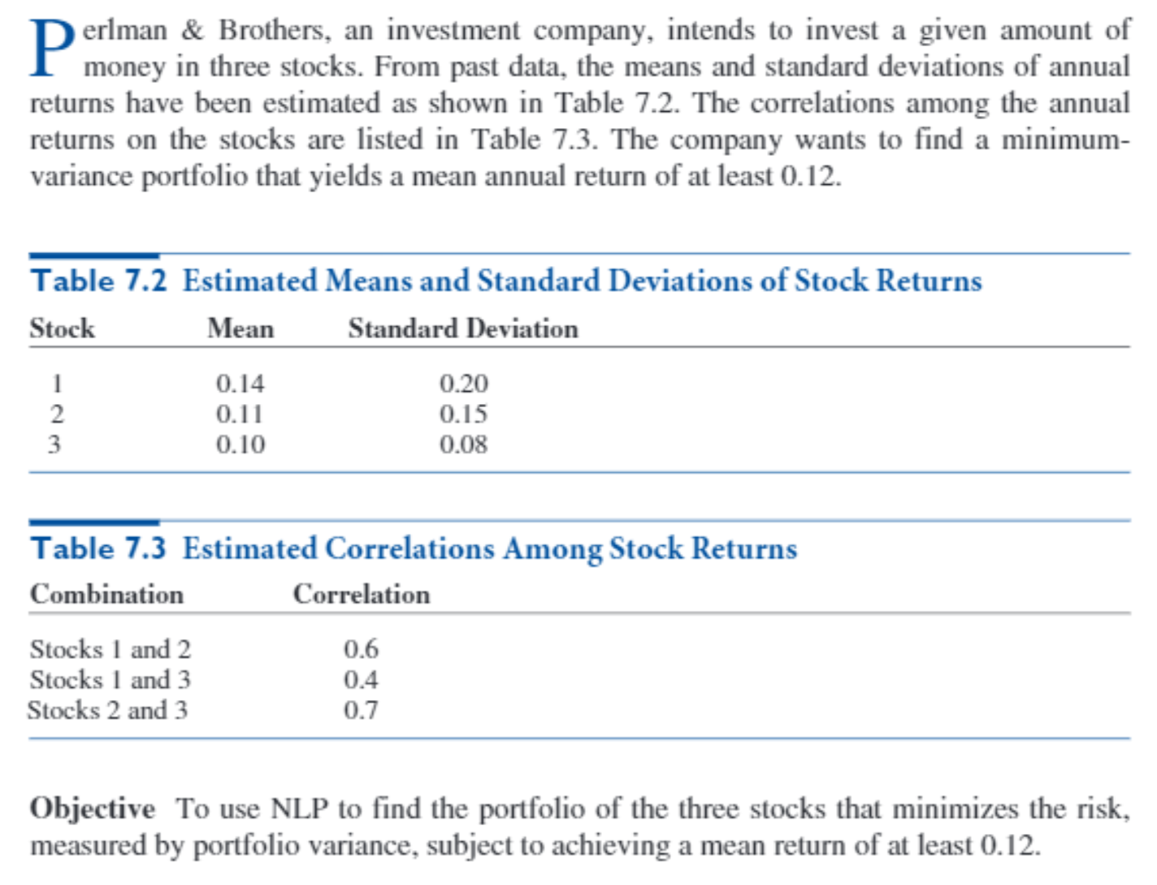

Big Picture
Portfolio Selection

Mean returns

Actual mean portfolio return
Required mean portfolio return
Investment weights
>=

Minimize variance (or standard deviation) of portfolio return

Sum of investment weights
1
=
Standard deviations of returns

Correlations between returns

